Dashboard
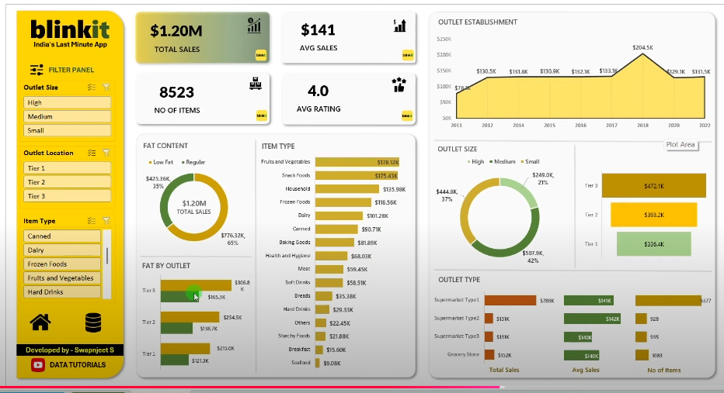
Blinkit
$1.20M
$141
 | Total
2011 | $78.1K
2012 | $130.5K
2014 | $131.8K
2015 | $130.9K
2016 | $132.1K
2017 | $133.1K
2018 | $204.5K
2020 | $129.1K
2022 | $131.5K
OUTLET ESTABLISH
AVG SALES
india's Last Minute App
TOTAL SALES

FILTER PANEL
8523
4.00

NO OF ITEMS
Average of Rating

ITEM TYPE
FAT CONTENT
 | Total
Seafood | $9.1K
Breakfast | $15.6K
Starchy Foods | $21.9K
Others | $22.5K
Hard Drinks | $29.3K
Breads | $35.4K
Soft Drinks | $58.5K
Meat | $59.4K
Health and Hygiene | $68.0K
Baking Goods | $81.9K
Canned | $90.7K
Dairy | $101.3K
Frozen Foods | $118.6K
Household | $136.0K
Snack Foods | $175.4K
Fruits and Vegetables | $178.1K

 | Total
Low Fat | $776.3K
Regular | $425.4K
 | Total
High | $249.0K
Medium | $507.9K
Small | $444.8K
PLOT AREA

 | Total
Tier 1 | $336.4K
Tier 2 | $393.2K
Tier 3 | $472.1K

 | Low Fat | Regular
Tier 1 | $215.0K | $121.3K
Tier 2 | $254.5K | $138.7K
Tier 3 | $306.8K | $165.3K
FAT BY OUTLET

 | Total
Grocery Store | $151.9K
Supermarket Type1 | $787.5K
Supermarket Type2 | $131.5K
Supermarket Type3 | $130.7K
 | Total
Grocery Store | $140K
Supermarket Type1 | $141K
Supermarket Type2 | $142K
Supermarket Type3 | $140K
 | Total
Grocery Store | 1083
Supermarket Type1 | 5577
Supermarket Type2 | 928
Supermarket Type3 | 935

Total Sales
Total Sales
Total Sales

Sheet1
Kpi
 |  |  |  | Outlet size
Sum of Sales | Average of Sales2 | Count of Item Identifier | Average of Rating | Row Labels | Sum of Sales
1201681.4928 | 140.99278339 | 8523 | 3.9658570926 | High | $249.0K
 |  |  |  | Medium | $507.9K
 |  |  |  | Small | $444.8K
Sum of Sales | Average of Sales2 | Count of Item Identifier | Average of Rating
$1.20M | $141 | 8523 | 4.00

Kpi

Row Labels | Sum of Sales
Low Fat | $776.3K |  |  | Outlet size
Regular | $425.4K |  |  | Row Labels | Sum of Sales
 |  |  |  | Tier 1 | $336.4K
 |  |  |  | Tier 2 | $393.2K
 |  |  |  | Tier 3 | $472.1K

Total Sales by items
Sum of Sales | Column Labels
Row Labels | Low Fat | Regular
Tier 1 | $215.0K | $121.3K
Tier 2 | $254.5K | $138.7K
Tier 3 | $306.8K | $165.3K
 |  |  |  | Outlet Type
 |  |  |  | Row Labels | Sum of Sales
 |  |  |  | Grocery Store | $151.9K
 |  |  |  | Supermarket Type1 | $787.5K
 |  |  |  | Supermarket Type2 | $131.5K
 |  |  |  | Supermarket Type3 | $130.7K
items Type
Row Labels | Sum of Sales
Seafood | $9.1K
Breakfast | $15.6K |  |  | Row Labels | Average of Sales
Starchy Foods | $21.9K |  |  | Grocery Store | $140K
Others | $22.5K |  |  | Supermarket Type1 | $141K
Hard Drinks | $29.3K |  |  | Supermarket Type2 | $142K
Breads | $35.4K |  |  | Supermarket Type3 | $140K
Soft Drinks | $58.5K
Meat | $59.4K |  |  | Row Labels | Count of Outlet Identifier
Health and Hygiene | $68.0K |  |  | Grocery Store | 1083
Baking Goods | $81.9K |  |  | Supermarket Type1 | 5577
Canned | $90.7K |  |  | Supermarket Type2 | 928
Dairy | $101.3K |  |  | Supermarket Type3 | 935
Frozen Foods | $118.6K
Household | $136.0K
Snack Foods | $175.4K
Fruits and Vegetables | $178.1K

OUTLET Establish
Row Labels | Sum of Sales
2011 | $78.1K
2012 | $130.5K
2014 | $131.8K
2015 | $130.9K
2016 | $132.1K
2017 | $133.1K
2018 | $204.5K
2020 | $129.1K
2022 | $131.5K

